Dashboard

FIFA Dashboard

Team and Count of man of the match
 | Total
Argentina | 1
Australia | 1
Belgium | 4
Brazil | 2
Colombia | 1
Croatia | 4
Denmark | 1
Egypt | 1
England | 4
France | 5
Iran | 1
Japan | 1
Mexico | 1
Morocco | 1
Portugal | 2
Russia | 3
Saudi Arabia | 1
Spain | 2
Sweden | 2
Switzerland | 1
Uruguay | 3
Team and total count round
 | Total
Argentina | 1
Australia | 1
Belgium | 4
Brazil | 2
Colombia | 1
Croatia | 4
Denmark | 1
Egypt | 1
England | 4
France | 5
Iran | 1
Japan | 1
Mexico | 1
Morocco | 1
Portugal | 2
Russia | 3
Saudi Arabia | 1
Spain | 2
Sweden | 2
Switzerland | 1
Uruguay | 3
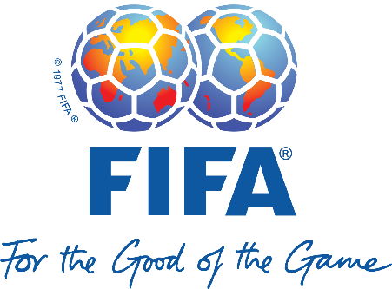

Opponent and Total Goals
 | Total
Argentina | 48
Australia | 54
Belgium | 78
Brazil | 60
Colombia | 30
Croatia | 78
Denmark | 42
Egypt | 60
England | 66
France | 144
Iran | 60
Japan | 36
Mexico | 36
Morocco | 60
Portugal | 102
Russia | 126
Saudi Arabia | 66
Spain | 96
Sweden | 48
Switzerland | 30
Uruguay | 132

PSO and Total Own G Time
 | Total
No | 1477
Yes | 167
Opponent and total 1st goal
 | Total
Argentina | 13
Australia | 58
Belgium | 143
Brazil | 64
Colombia | 57
Croatia | 55
Denmark | 4
Egypt | 89
England | 175
France | 239
Iran | 90
Japan | 69
Mexico | 51
Morocco | 90
Portugal | 31
Russia | 140
Saudi Arabia | 12
Spain | 45
Sweden | 96
Switzerland | 66
Uruguay | 184

